Test Execution
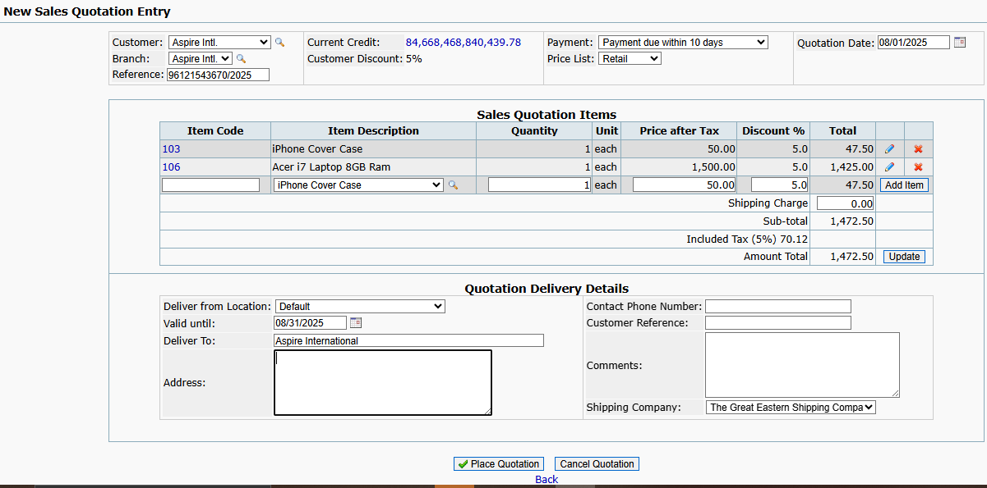
SC01_TC01 | To verify or test user gets login when valid username and valid password are entered, company name selected

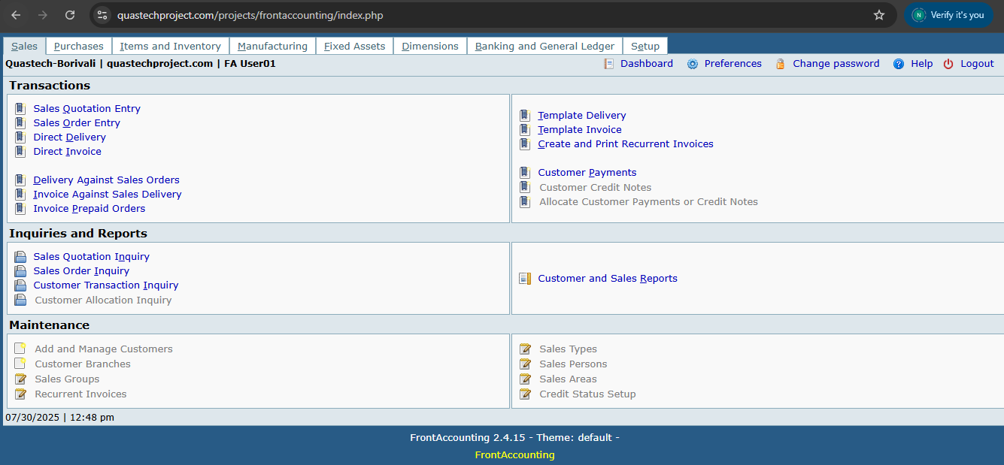
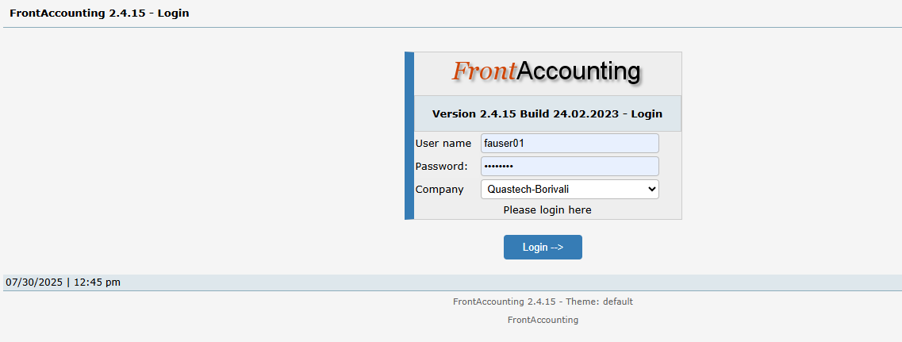

SC01_TC02 To verify or test user gets login when valid username and invalid password are entered, company name selected


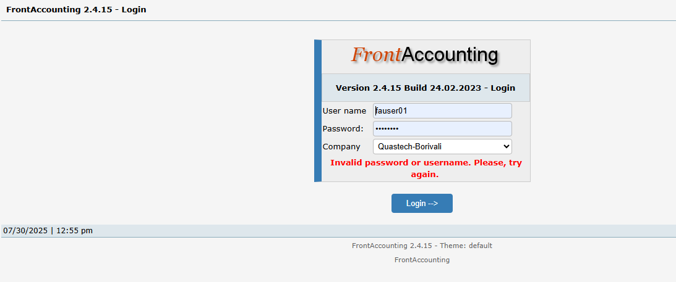

SC01_TC03 | To verify or test user gets login when invalid username and valid password are entered, company name selected

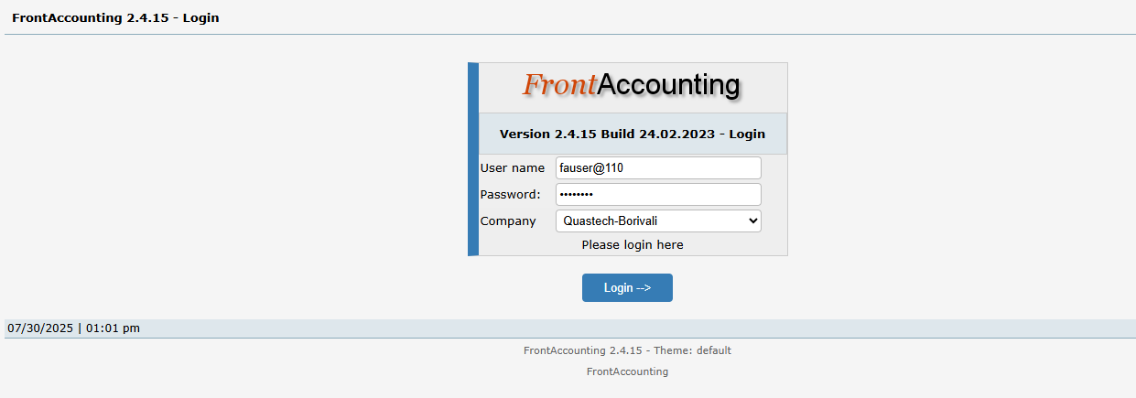
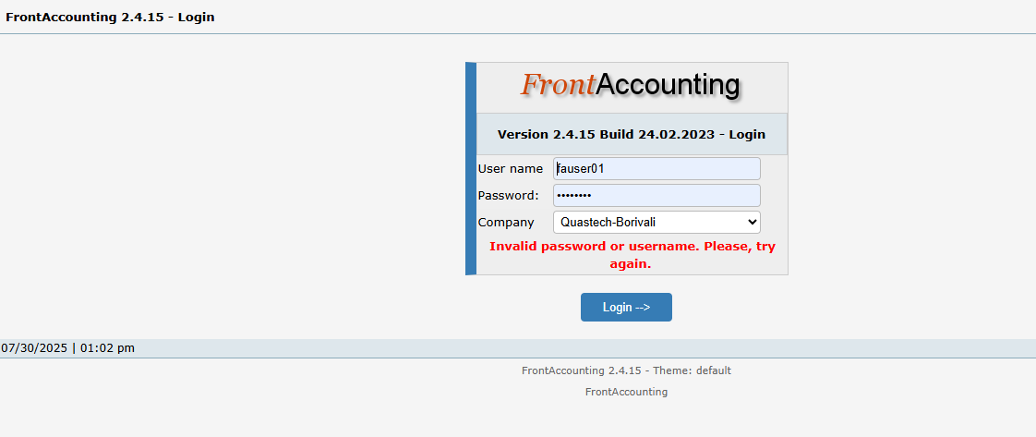

SC01_TC04 | To verify or test user gets login when invalid username and invalid password are entered, company name selected

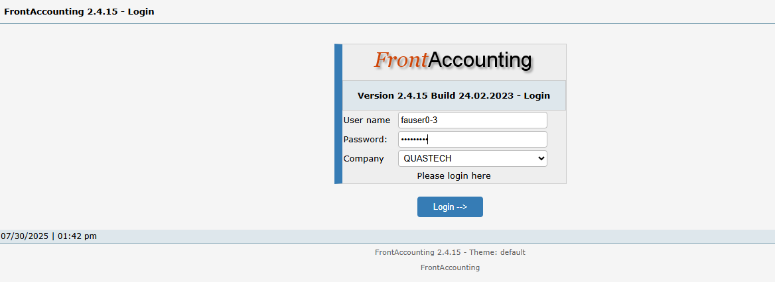

SC01_TC05 | To verify or test user gets login when username kept blank and valid password entered, company name selected

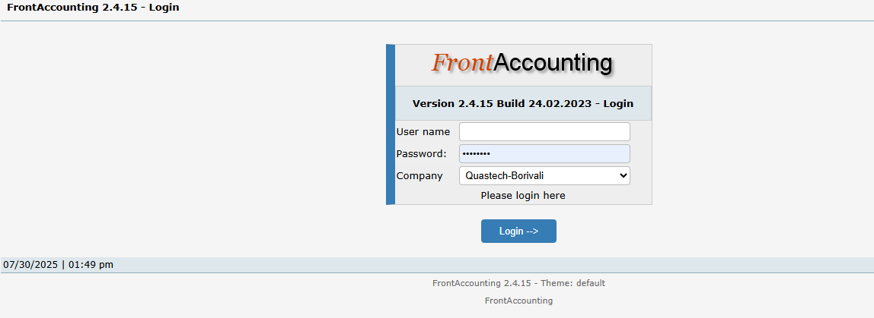

SC01_TC06 | To verify or test user gets login when valid username entered and password kept blank, company name selected

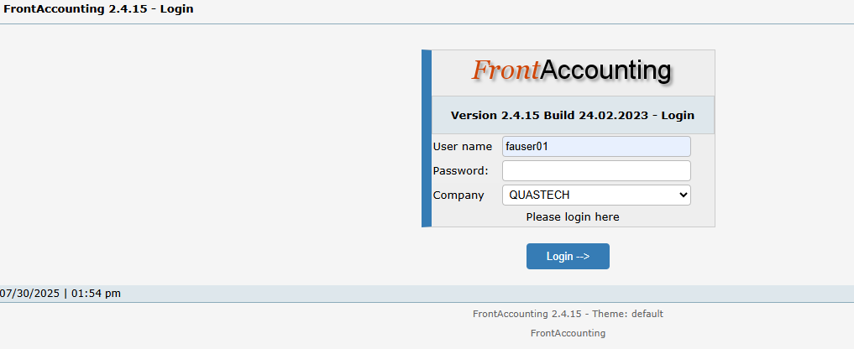
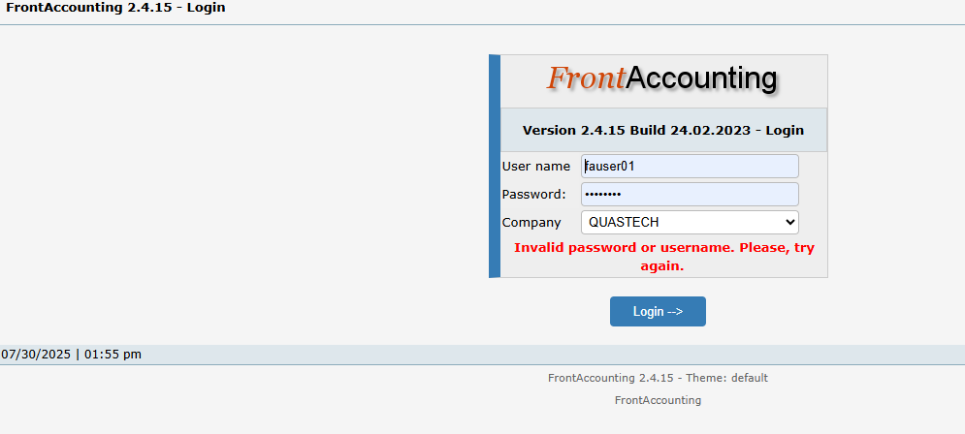

SC01_TC07 | To verify or test user gets login when username and password kept blank, company name selected

SC02_TC08 | To verify or test if items get added when item description is selected, quantity>0, price>0, entered valid discount


SC02_TC09 | To verify or test if items get added when item description is selected, quantity>0, price<0, entered valid discount

SC02_TC10 | To verify or test if items get added when item description is selected, quantity>0, price=0, entered valid discount

SC02_TC11 | To verify or test if items get added when item description is selected, quantity<0, price>0, entered valid discount



SC02_TC12 | To verify or test if items get added when item description is selected, quantity>0, price>0,entered invalid discount

SC02_TC13 | To verify or test if items get added when item description is selected, quantity<0, price<0, entered invalid discount

SC02_TC14 | To verify or test if item gets added when item description is selected, quantity<0, price<0,entered valid discount



SC02_TC15 | To verify or test if item gets added when item description is selected, quantity>0,price<0, entered invalid discount

SC03_TC16 | To verify if quotation gets placed when contact number is 10 digit and other field are filled correctly

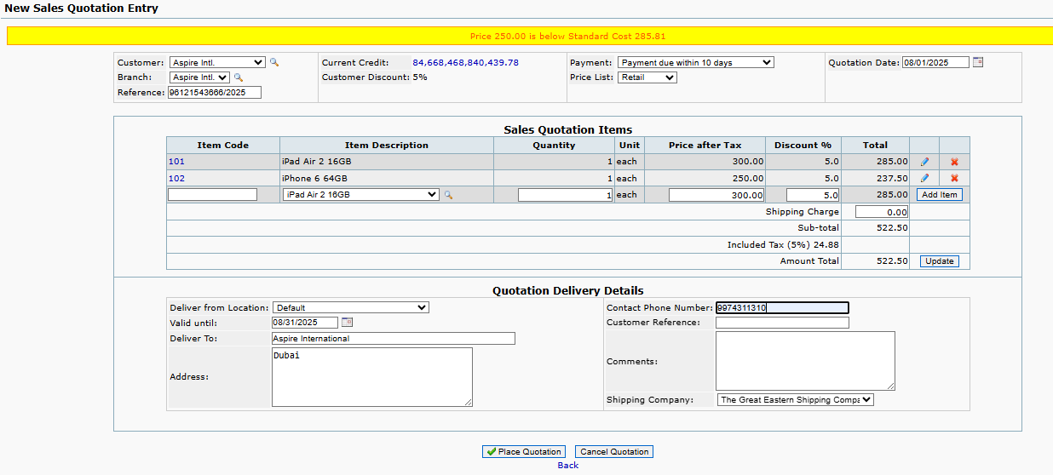
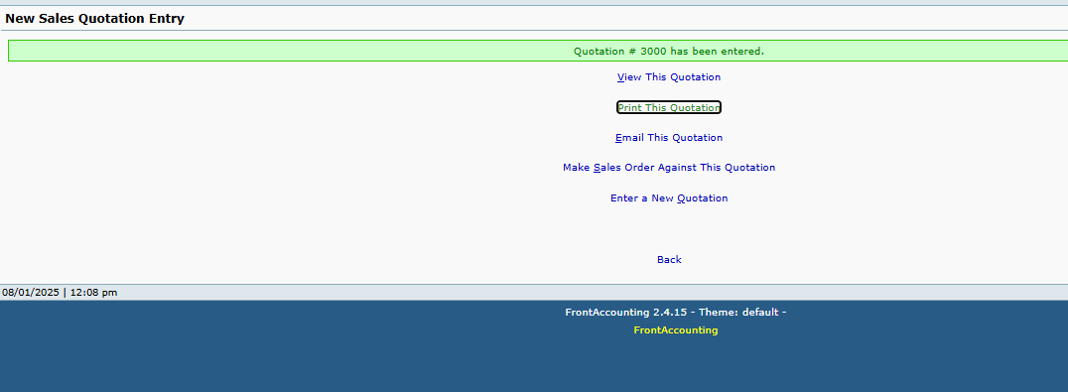

SC03_TC17 | To verify if quotation gets placed when contact number is more than 10 digit and other field are filled correctly

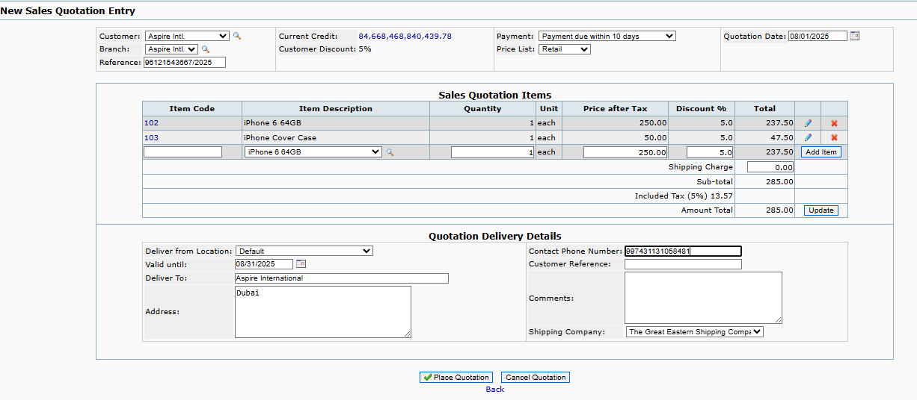
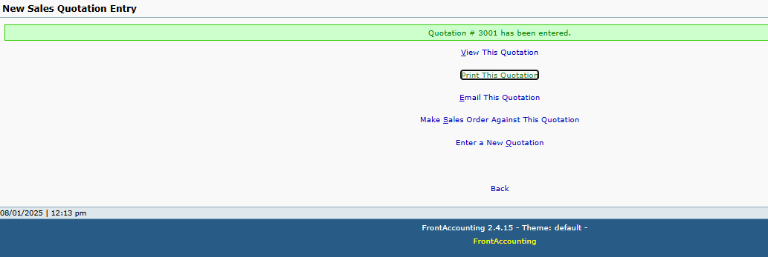

SC03_TC18 | To verify if quotation gets placed when contact number is less than 10 digit and other field are filled correctly

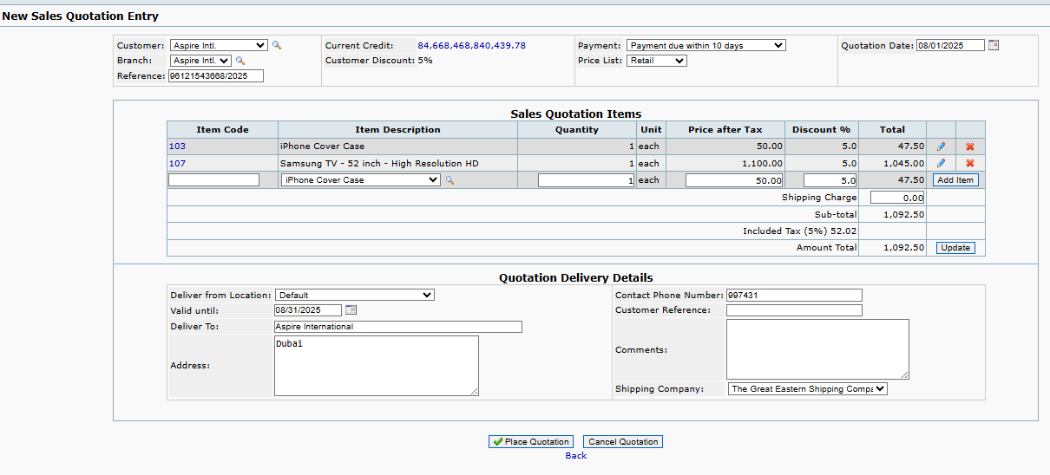

SC03_TC19 | To verify if quotation gets placed when contact number field is blank and other field are filled correctly


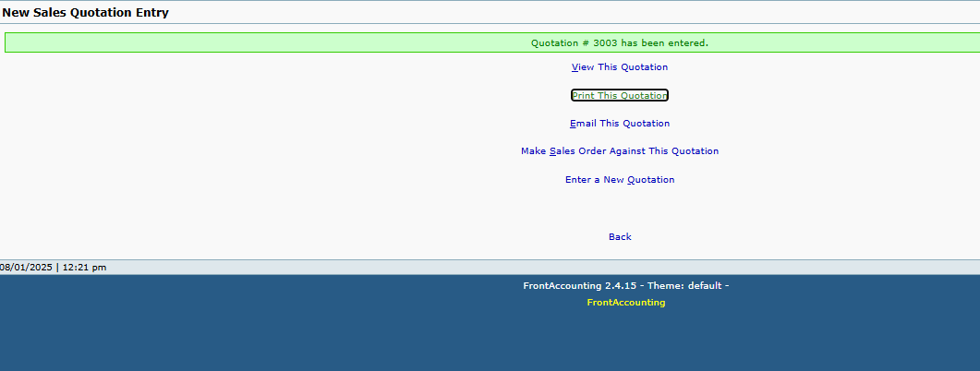

SC03_TC20 | To verify if quotation gets placed when valid until date is kept past date and other field are filled correctly

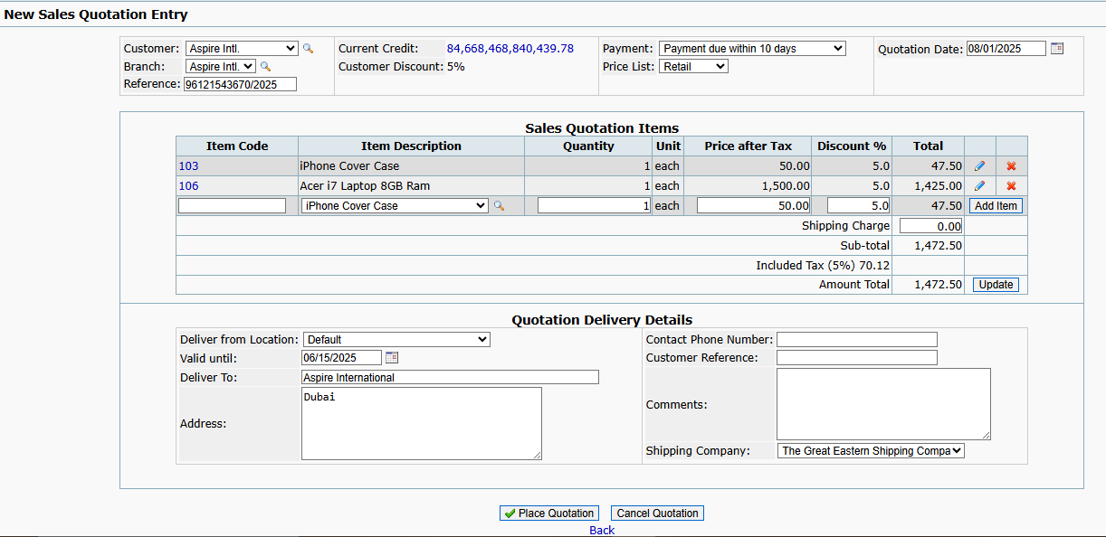

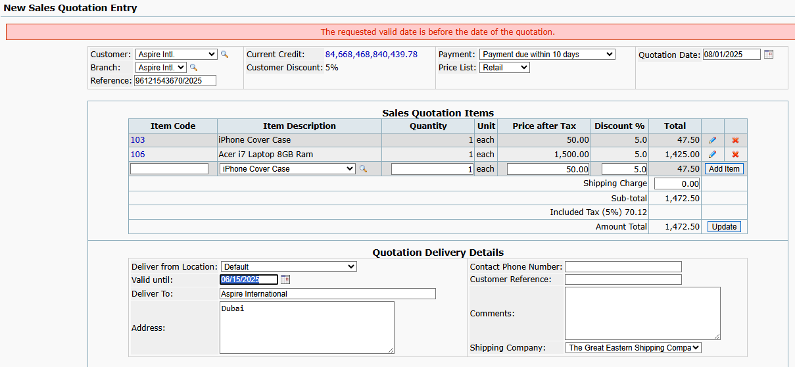

SC03_TC21 | To verify if quotation gets placed when Deliver to field is kept blank and other field are filled correctly

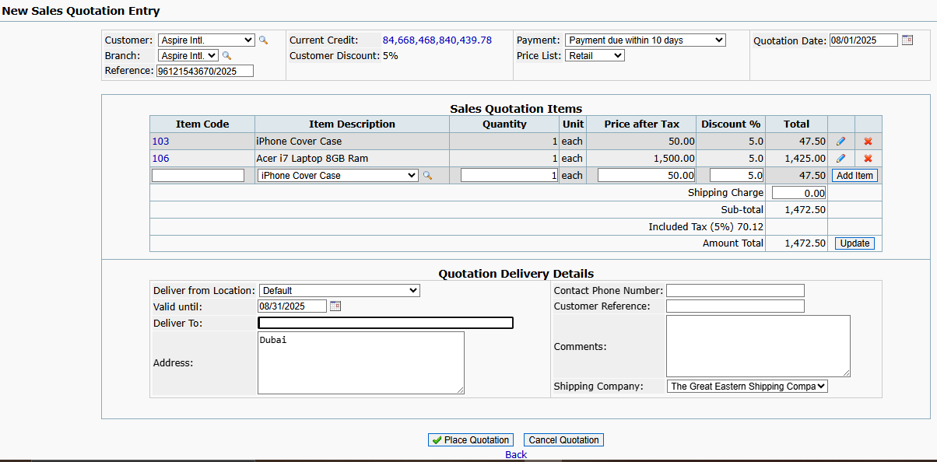
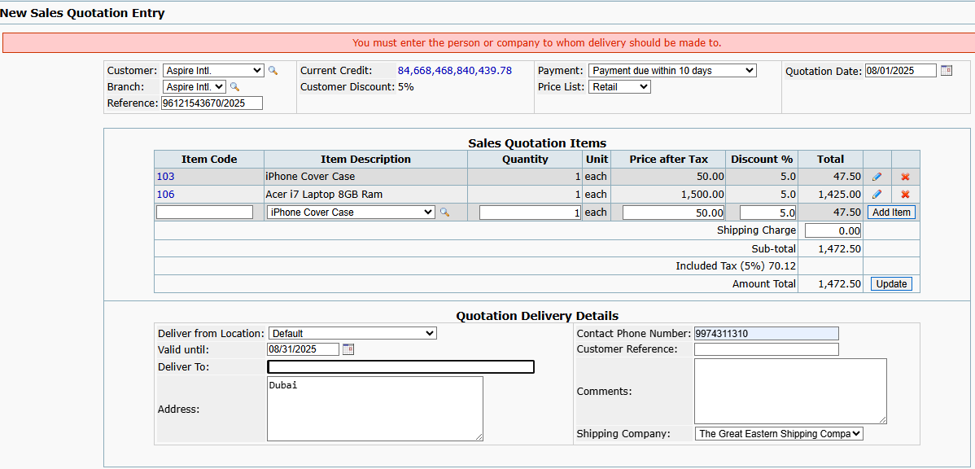

SC03_TC22 | To verify if quotation gets placed when Address field is kept blank and other field are filled correctly

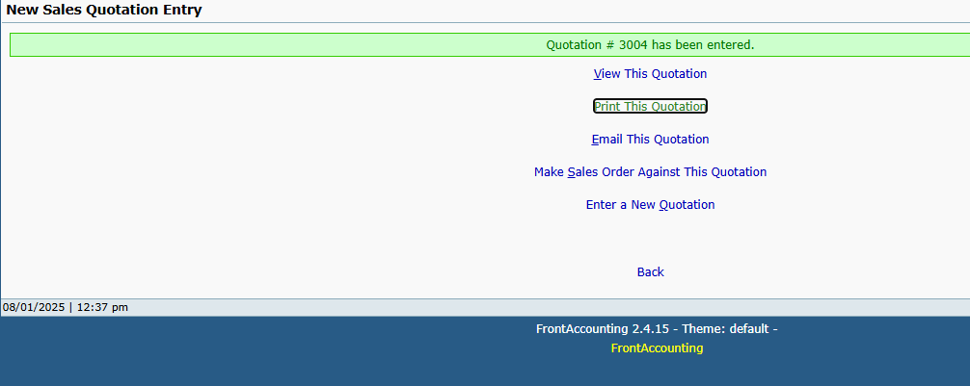

SC04_TC23 | To test or verify if quatation gets placed when past date is selected in quotation date field

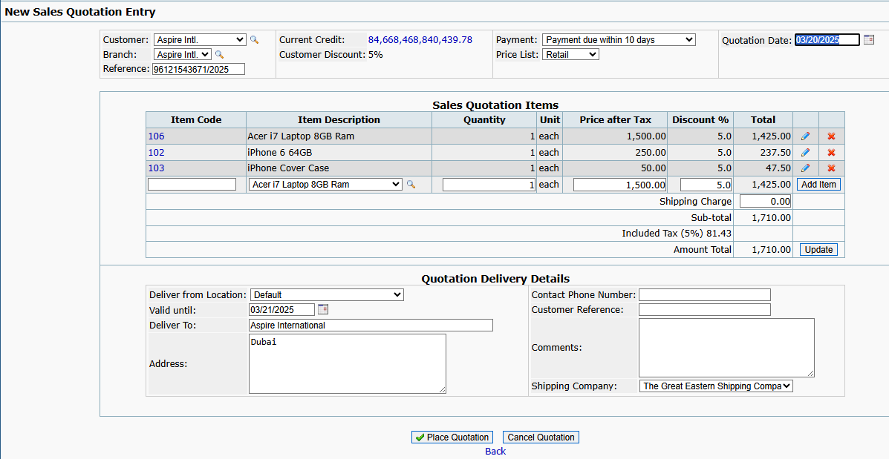
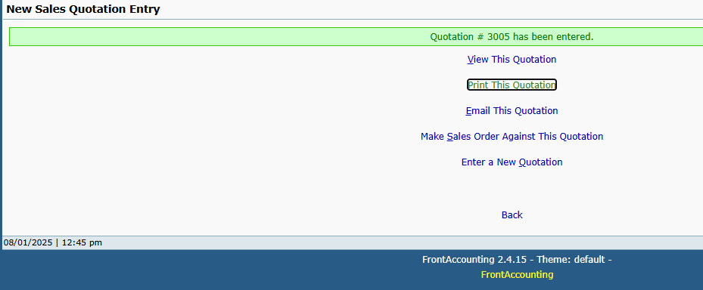

SC04_TC24 | To test or verify if quatation gets placed when future date is selected in quotation date field

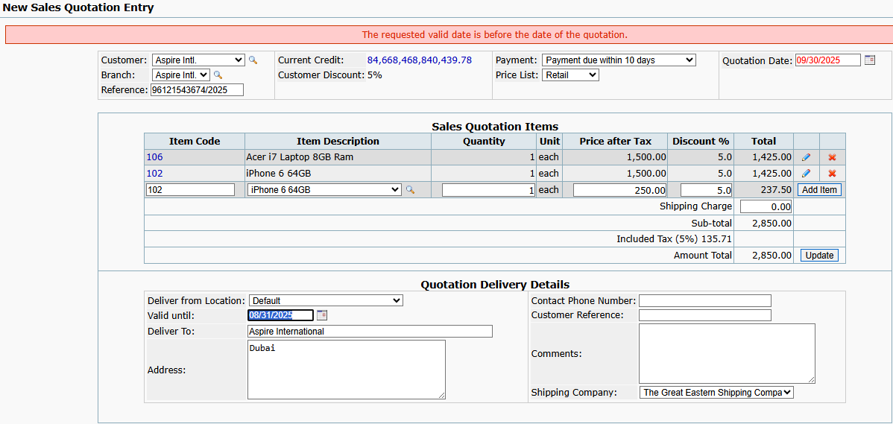
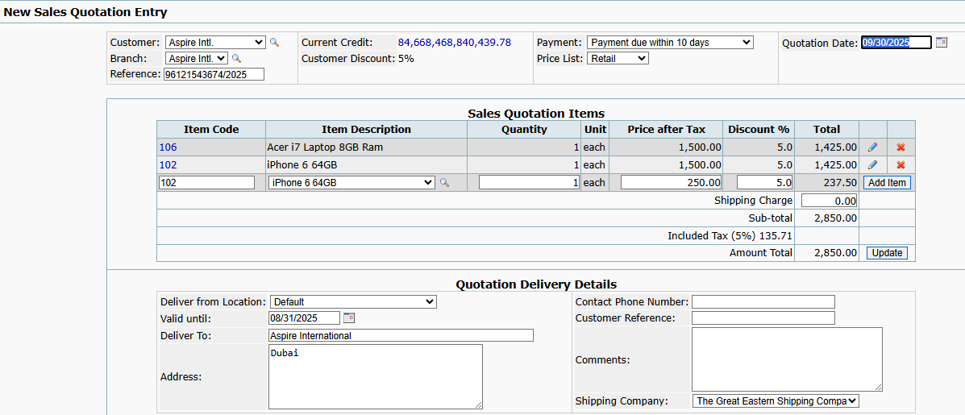

SC04_TC25 | To test or verify if quatation gets placed when present date is selected in quotation date field

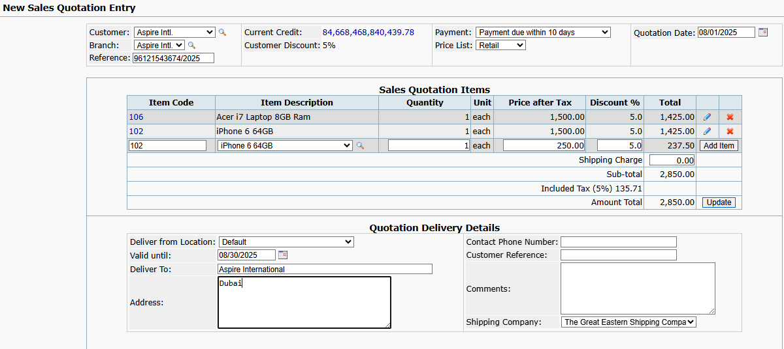
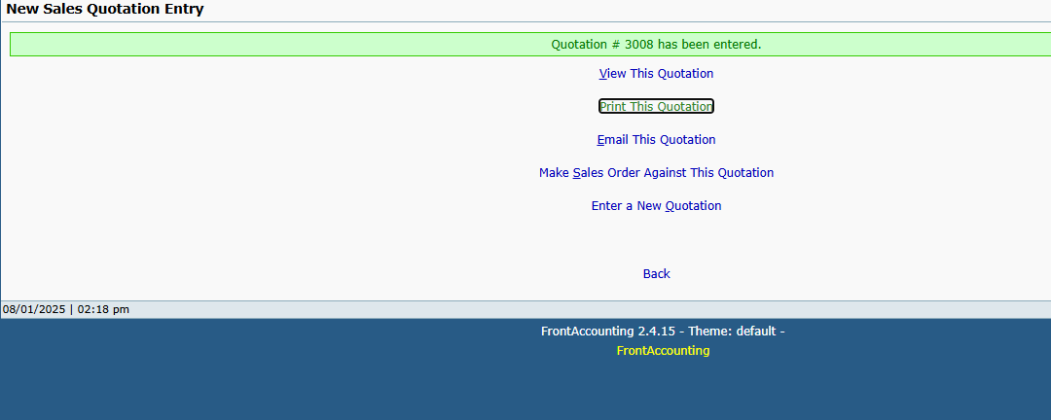

SC04_TC26 | To test or verify if quatation gets placed when date is kept blank in quotation date field

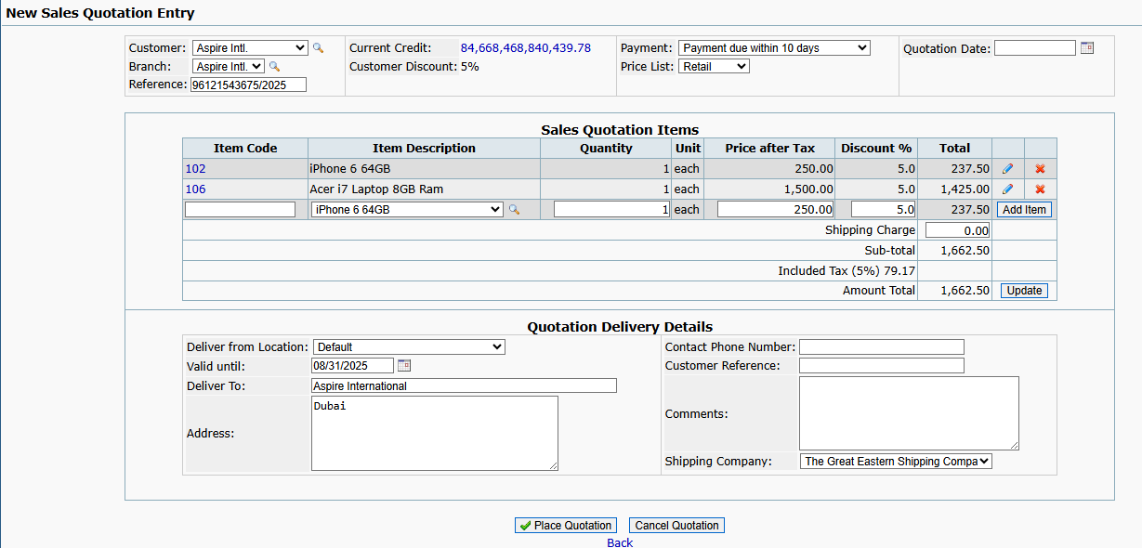

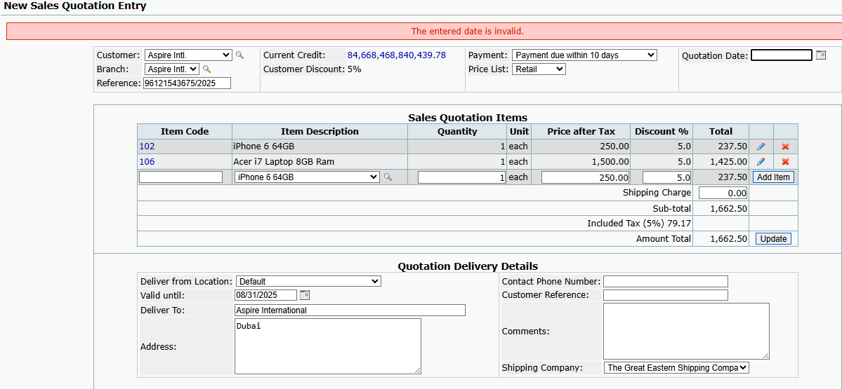

SC05_TC27 | To verify if quotation gets placed when shipping charge is more than 50$

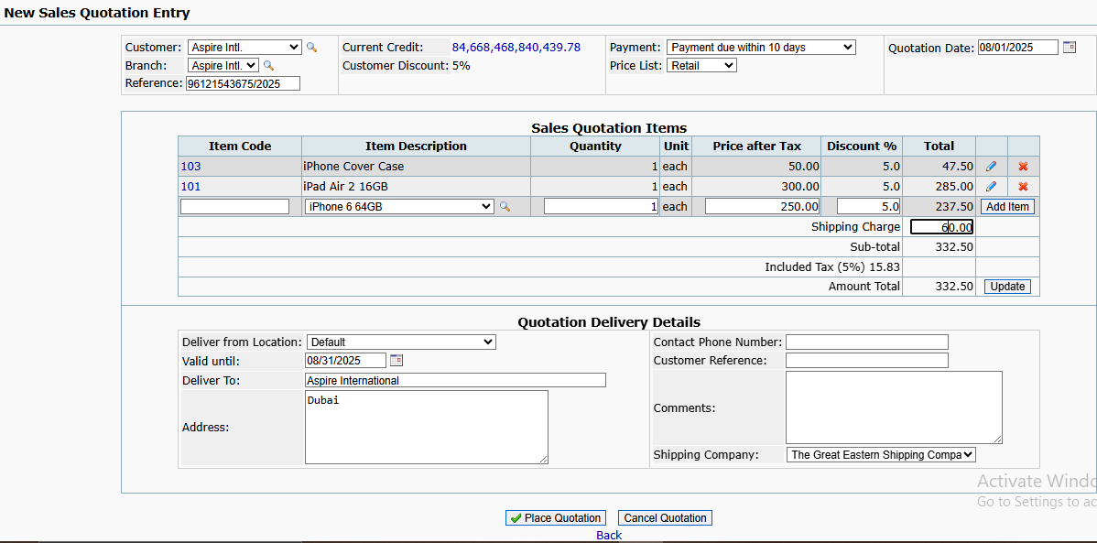
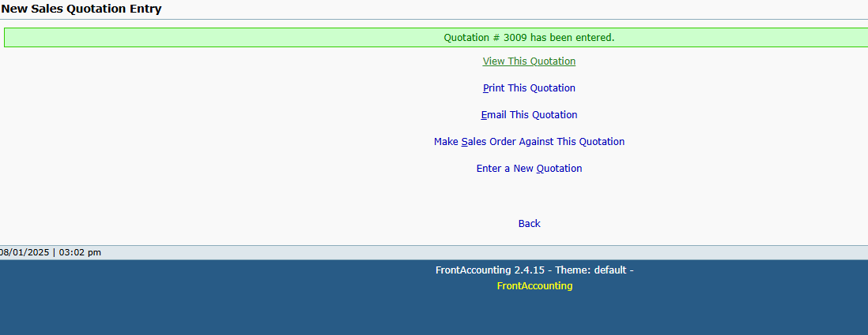

SC05_TC28 | To verify if quotation gets placed when shipping charge is negative.

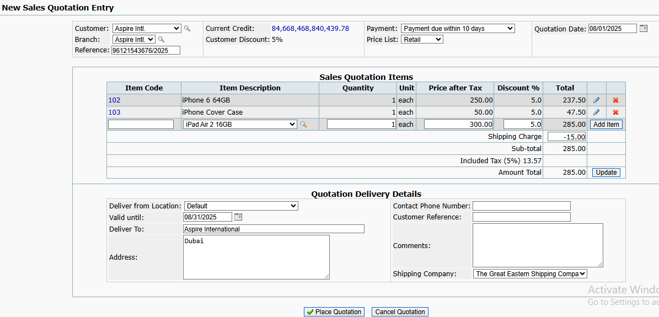
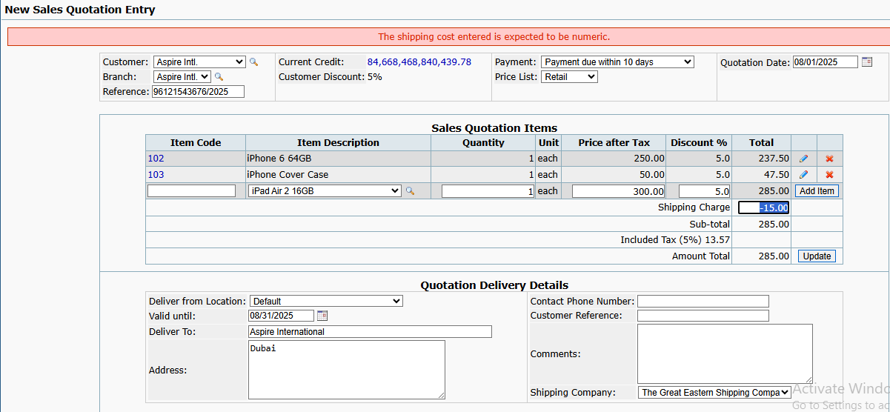

SC05_TC29 | To verify if quotation gets placed when shipping charge is less than 50$

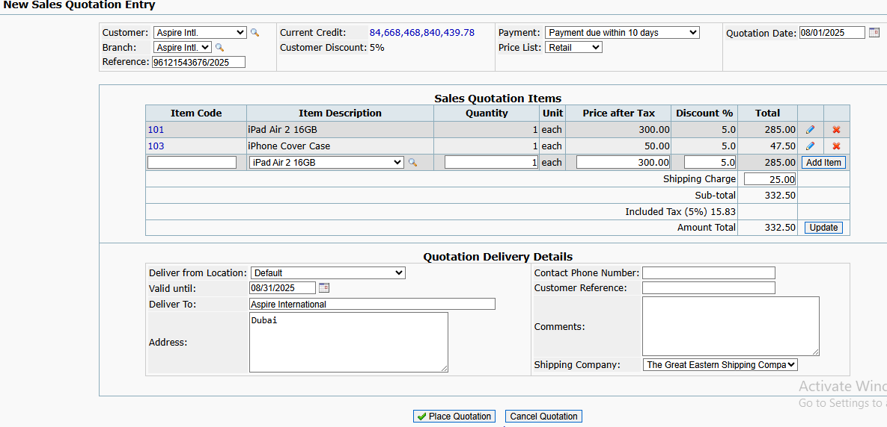
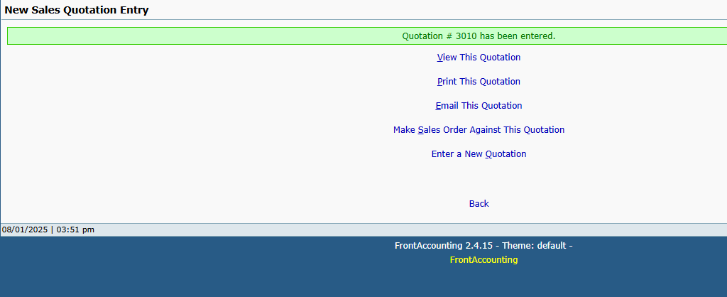

SC05_TC30 | To verify the Amount total when multiple products are added and valid shipping charge entered

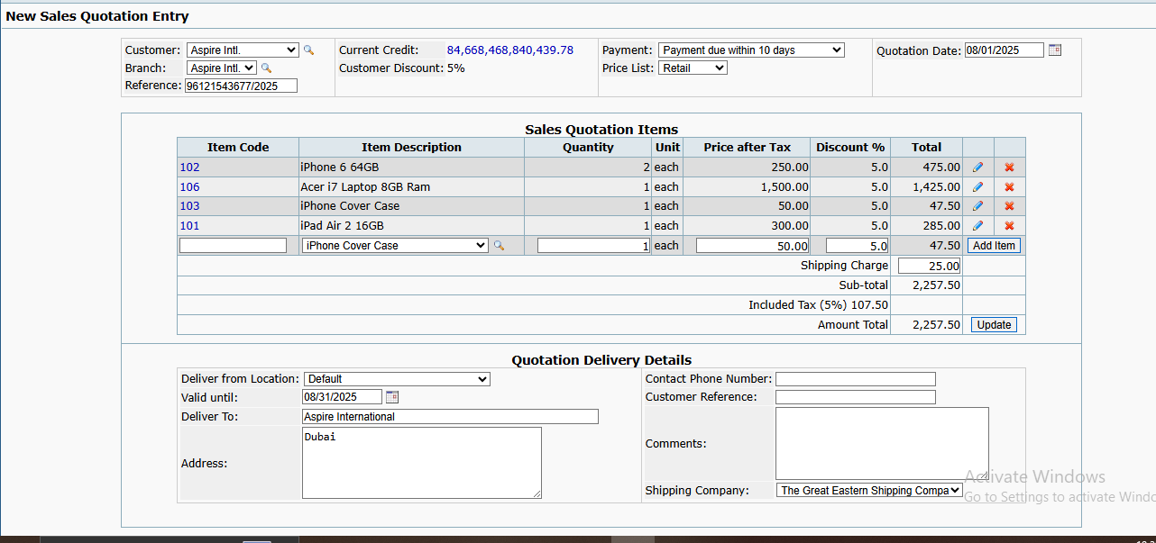
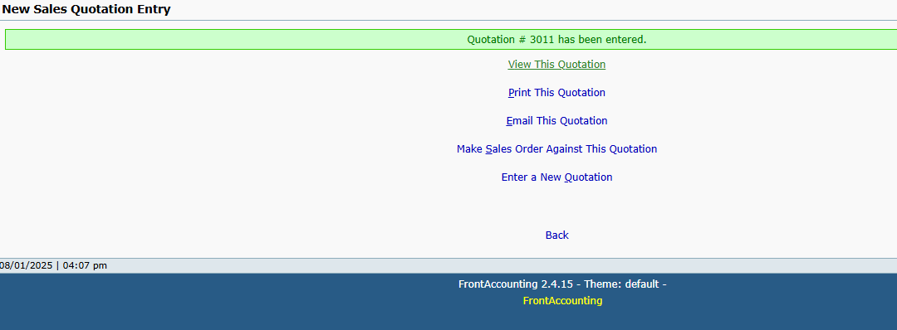

SC06_TC31 | To verify the place quotation successfully done and entered to the next page when all required fields are filled correctly.

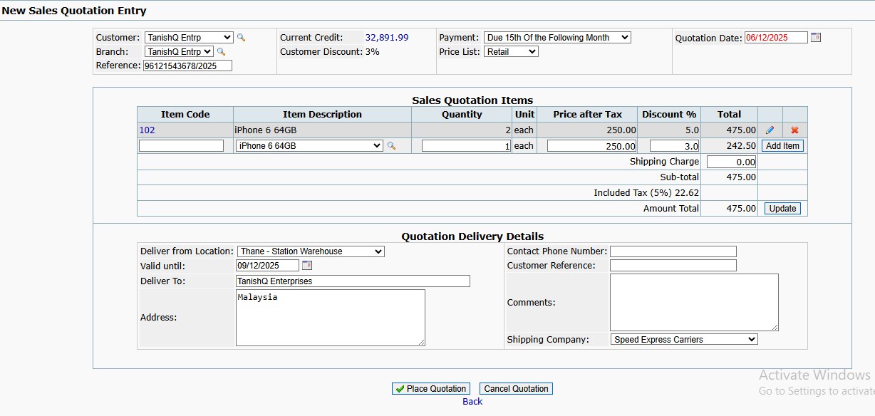
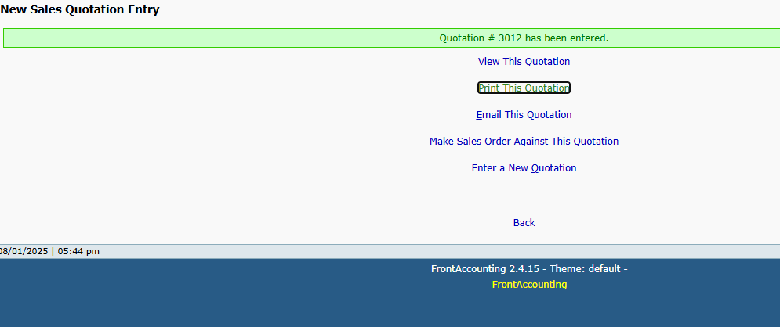

SC07_TC32 | To test or verify if clicking on cancel quotation button, display the confirmation message

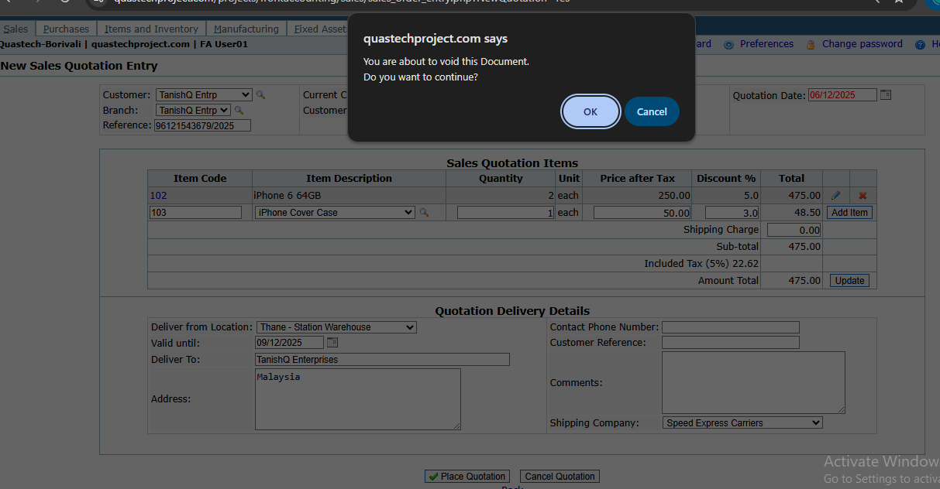
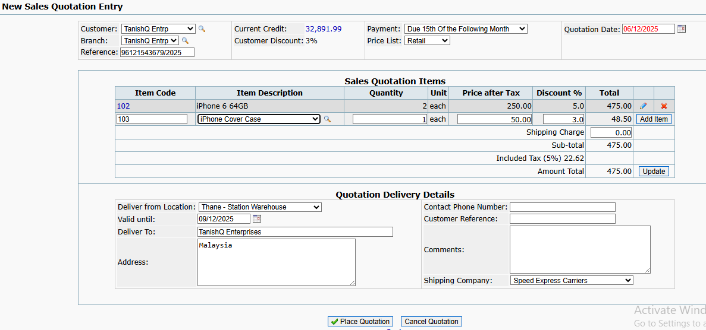

SC07_TC33 | To test or verify if clicking on OK button of confirmation message, new sales quatation entry page will reset and "Enter a New Sales Quotation” link appear

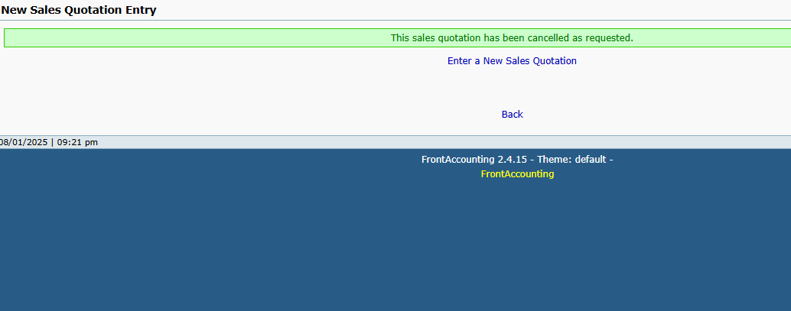

SC07_TC34 | To test or verify if clicking on Cancel button of confiramtion message, entered data will be remains as it is.

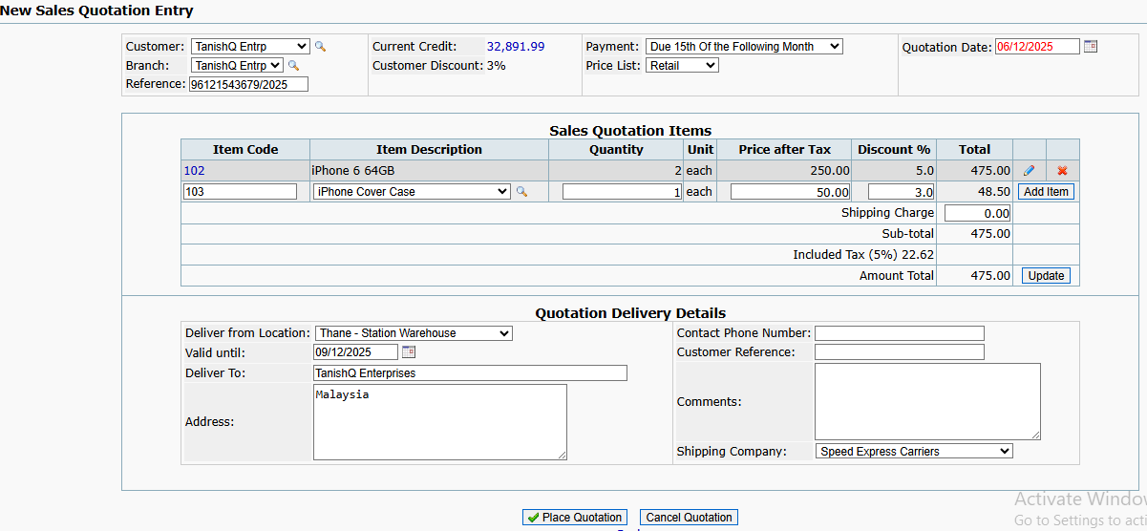

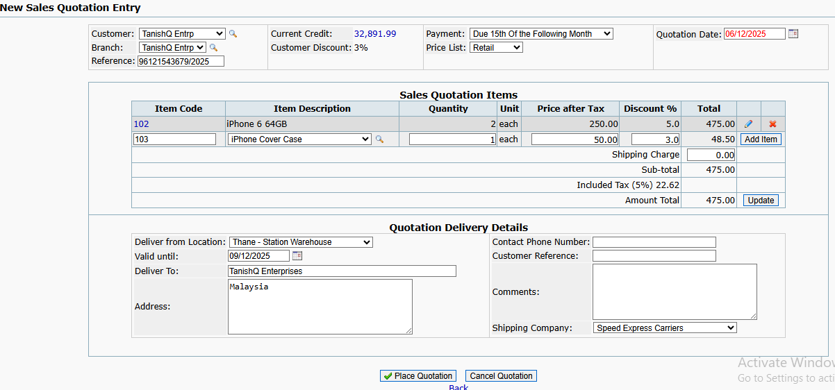

SC07_TC35 | To test or verify if clicking on "Enter a New Sales Quotation” , New sales quotation entry page will open

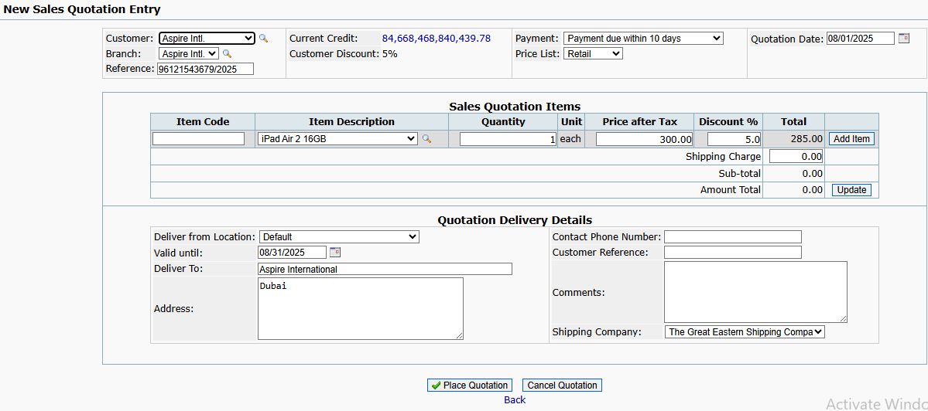
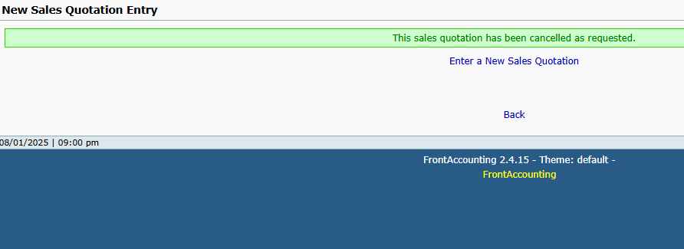

SC08_TC36 | To verify Price before tax is accurately reflected when price list is selected as wholesale

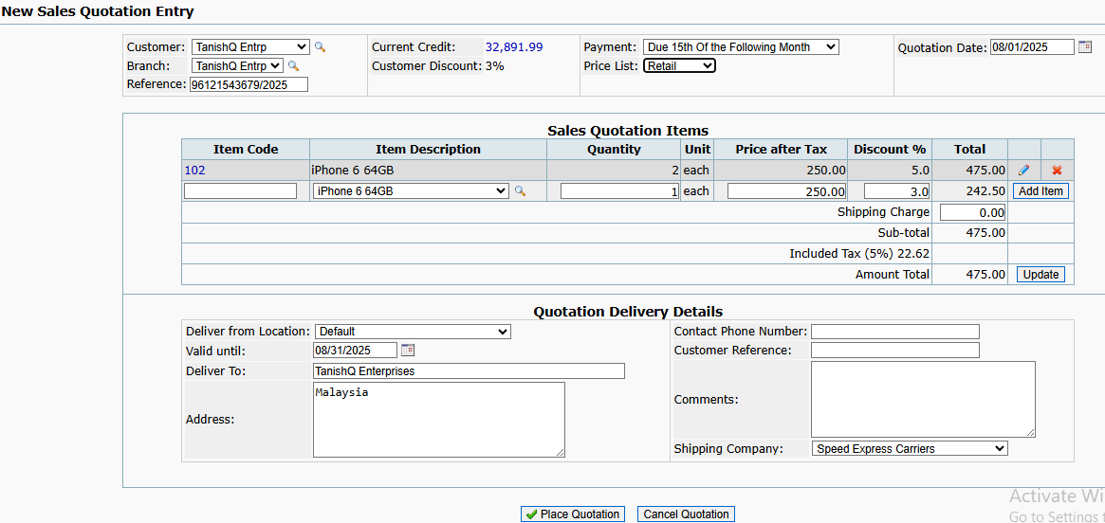
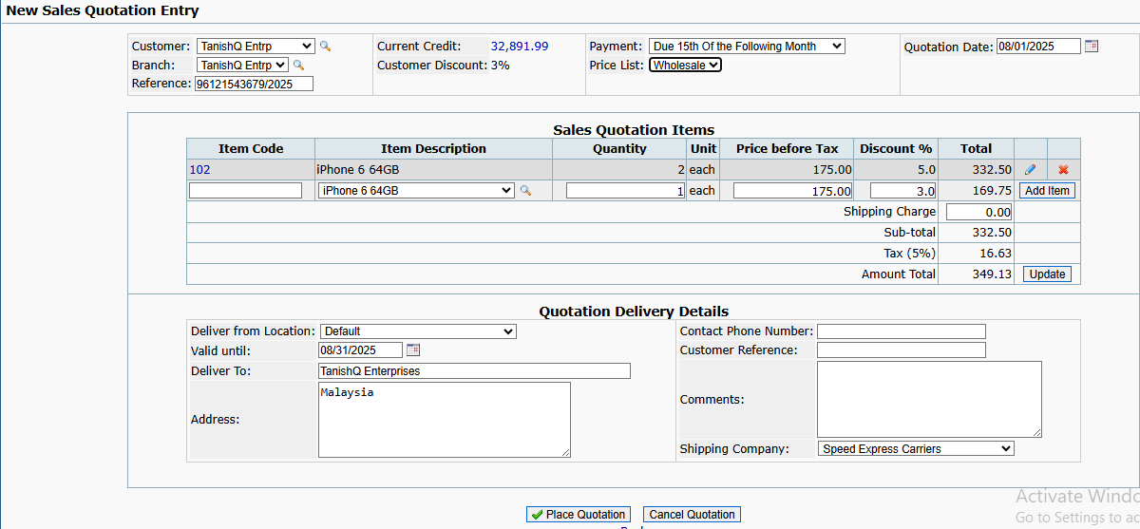

SC08_TC37 | To verify Price after tax is accurately reflected when price list is selected as Retail

SC09_TC38 | To verify or test if items get added when item description is selected, quantity>0, price>0,entered valid discount

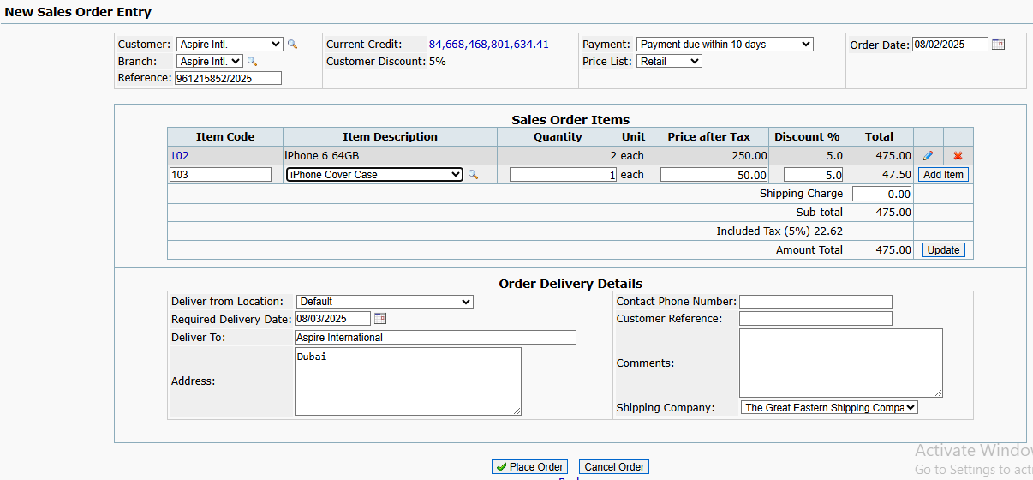

SC09_TC39 | To verify or test if items get added when item description is selected, quantity>0, price<0, entered valid discount

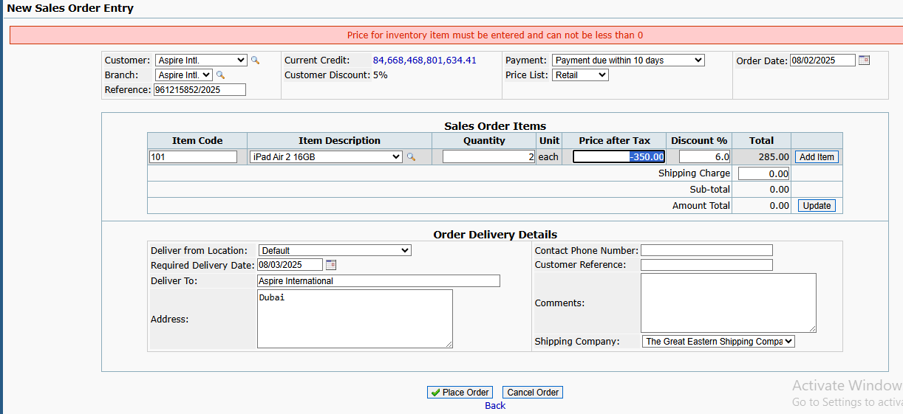

SC09_TC40 | To verify or test if items get added when item description is selected, quantity>0, price=0, entered valid discount




SC09_TC41 | To verify or test if items get added when item description is selected, quantity<0, price>0, entered valid discount




SC09_TC42 | To verify or test if items get added when item description is selected, quantity>0, price>0,entered invalid discount



SC09_TC43 | To verify or test if items get added when item description is selected, quantity<0, price<0, entered invalid discount




SC09_TC44 | To verify or test if item gets added when item description is selected, quantity<0, price<0,entered valid discount





SC09_TC45 | To verify or test if item gets added when item description is selected, quantity>0,price<0, entered invalid discount




SC10_TC46 | To verify if Order gets placed when Required delivery date is kept past date and other field are filled correctly




SC10_TC47 | To verify if quotation gets placed when Deliver to field is kept blank and other field are filled correctly





SC10_TC48 | To verify if quotation gets placed when Address field is kept blank and other field are filled correctly




SC11_TC49 | To verify the Place order successfully done and entered to the next page when all required fields are filled correctly.




SC12_TC50 | To test or verify if clicking on cancel order button, display the confirmation message



SC12_TC51 | To test or verify if clicking on ok button of confirmation message, new sales Order entry page will reset, user is redirected to new order page or homepage



SC12_TC52 | To test or verify if clicking on cancel button, entered data will be remains as it is.




SC13_TC53 | To verify Price before tax is accurately reflected when price list is selected as wholesale




SC13_TC54 | To verify Price after tax is accurately reflected when price list is selected as Retail




SC14_TC55 | To test or verify if Order gets placed when Past date is selected in Order date field





SC14_TC56 | To test or verify if Order gets placed when future date is selected in Order date field




SC14_TC57 | To test or verify if Order gets placed when Present date is selected in Order date field




SC14_TC58 | To test or verify if Order gets placed when date is blank in Order date field




SC15_TC59 | To verify if Order gets placed when shipping charge is more than 50$




SC15_TC60 | To verify if Order gets placed when shipping charge is negative.




SC15_TC61 | To verify if Order gets placed when shipping charge is less than 50$





SC15_TC62 | To verify the Amount total when multiple products are added and valid shipping charge entered




SC16_TC63 | To verify if process dispatch successfully when shipping charge is more than 50$




SC16_TC64 | To verify if process dispatch successfully when shipping charge is negative.





SC16_TC65 | To verify if process dispatch successfully when shipping charge is less than 50$





SC16_TC66 | To verify the Amount total when multiple products are added and valid shipping charge entered




SC17_TC67 | To verify Memo field display the information mentioned in Comments field while entering the sales order.




SC18_TC68 | To check or verify Update field when changes in "This delivery” quantity or “Shipping Cost”




SC19_TC69 | To verify process dispatch when Action for balance field selected as Automatically put balance on back order from dropdown





SC19_TC70 | To verify process dispatch when Action for balance field selected as "Cancel any quantities not delivered" from dropdown






SC20_TC71 | To check or verify when clicking on "Clear quantity" button sets the "This delivery","total","subtotal" and "total amount" field to 0




SC20_TC72 | To check or verify when clicking on "Clear quantity" button, button name changes to Reset quantity

SC20_TC73 | To check or verify when clicking on "Reset quantity" button restores the "This delivery", "Total","Subtotal" and "Total amount " field to their previous value





SC21_TC74 | To verify that the dispatch process completes successfully and the system navigates to the next page when all mandatory field is correctly filled




SC22_TC75 | To check or verify "This invoice" field if quantity less than or equal to Delivered quantity




SC22_TC76 | To check or verify "This invoice" field if quantity more than Delivered" quantity minus “Invoiced” quantity




SC22_TC77 | To check or verify "This invoice" field if negative value entered





SC23_TC78 | To check or verify Due date reflects based on the payment terms selected.




SC24_TC79 | To check or verify update field when changes in "This invoice" quantity or “Shipping Cost”




SC25_TC80 | To check or verify clicking on Process invoice, invoice generated successfully and entered to the next page




SC26_TC81 | To check or verify clicking on "All " , “This Allocation” and "Amount" field is auto-filled with value as displayed in Left to Allocate.





SC27_TC82 | To check or verify clicking on "None", reset the “This Allocation” amount to 0.





SC28_TC83 | To check or verify clicking on Add paymet button,make a successful Payment Entry to the customer and show successfull message




SC29_TC84 | To test or verify if Order gets placed when past date is selected in Order date field




SC29_TC85 | To test or verify if Order gets placed when future date is selected in Order date field




SC29_TC86 | To test or verify if Order gets placed when current date/system date is selected in Order date field




SC29_TC87 | To test or verify if Order gets placed when Order date kept balnk




SC30_TC88 | To verify or test if supplier's reference number is alphanumeric value




SC30_TC89 | To verify or test if supplier's reference number is special character.




SC30_TC90 | To verify or test if supplier's reference number is kept blank




SC31_TC91 | To verify or test if Deliver to field is kept blank




SC32_TC92 | To test or verify when clicking on place order button, entered Order details save and Purchase Order Number generated and displayed in acknowledgement page.





SC33_TC93 | To test or verify when clicking on Cancel order button, clear the page and displayed back





SC34_TC94 | To test or verify when clicking on back button navigate to main Purchase module



SC35_TC95 | To test or verify If the quantity entered is 0 in This delivery field




SC35_TC96 | To test or verify if the quantity is more than to ordered quantity in This delivery field




SC35_TC97 | To test or verify if the quantity is negative in This delivery field




SC36_TC98 | To check or verify update button if there is any changes in quantity




SC37_TC99 | To check or verify clikcing on process receive item button, it process the delivery for the purchase order and Acknowledgement page displays Purchase Order Delivery Number




SC38_TC100 | To check or verify if clicking on "For purchase order" number, open a pop up which contains information about PO




SC39_TC101 | To check or verify if Supplier reference field kept blank



SC40_TC102 | To check or verify if date is kept blank in due date field



SC41_TC103 | To verify Invoice saves successfully




SC42_TC104 | To check or verify clicking on "All " , “This Allocation” field is auto-filled with value as displayed in Amount




SC43_TC105 | To check or verify clicking on "None", reset the “This Allocation” amount to 0.




SC44_TC106 | To check or verify payment entry successfully when date is kept blank in date paid field





SC45_TC107 | To check or verify if clicking on Enter Payment button, it makes a successful Payment Entry to the supplier when all mandatory fields are filled correctly,





SC46_TC108 | To check or verify Process transfer if user select From location field and To location field same




SC46_TC109 | To check or verify Process transfer if user select From location field and To location field different



SC47_TC110 | To check or verify process transfer when date selected as past date in date field


SC47_TC111 | To check or verify process transfer when date selected as Future date in date field

SC47_TC112 | To check or verify process transfer when date is kept blank in date field




SC48_TC113 | To check or verify item gets added when item description selected and quantity>0



SC48_TC114 | To check or verify item gets added when item description selected and quantity<0



SC48_TC115 | To check or verify item gets added when item description selected and quantity=0



SC49_TC116 | To check or verify process transfer when reference is kept blank




SC50_TC117 | To check or verify clicking on Process transfer button ,successfully completes the Transfer of products as per the location when all required fields are filled correctly



SC51_TC118 | To check or verify clicking on "Show Movements" button, it generates required Inventory item movement report according to changes in From location field, Item selection field, from date, To date field



SC52_TC119 | To test or verify if selecting a valid Item, the system displays Location wise item status report in table form including Quantity On Hand, Re-Order Level, Demand, Available,On Order

